Gear Design
 | SPUR GEAR DESIGN SHEET by Eleazar Archer |  |  |  |  |  |  | NOTE: Edit only green cells

 | KINEMATICS

𝐷𝑟𝑖𝑣𝑒𝑟 𝑔𝑒𝑎𝑟 𝑠𝑝𝑒𝑒𝑑, 𝑛_𝑝 (𝑟𝑝𝑚)= |  |  |  | 150 | rpm

𝐷𝑟𝑖𝑣𝑒𝑛 𝑔𝑒𝑎𝑟 𝑝𝑖𝑡𝑐ℎ 𝑑𝑖𝑎𝑚𝑒𝑡𝑒𝑟, 𝐷_𝑔 (𝑚𝑚)= |  |  |  | 120 | mm

𝐺𝑒𝑎𝑟 𝑟𝑒𝑑𝑢𝑐𝑡𝑖𝑜𝑛 𝑟𝑎𝑡𝑖𝑜= |  |  |  | 4

𝐷𝑟𝑖𝑣𝑒𝑟 𝑔𝑒𝑎𝑟 𝑝𝑖𝑡𝑐ℎ 𝑑𝑖𝑎𝑚𝑒𝑡𝑒𝑟, 𝐷_𝑝 (𝑚𝑚)= |  |  |  | 30 | mm

𝐷𝑟𝑖𝑣𝑒𝑛 𝑔𝑒𝑎𝑟 𝑠𝑝𝑒𝑒𝑑, 𝑛_𝑔 (𝑟𝑝𝑚)= |  |  |  | 37.5 | rpm

𝐷𝑟𝑖𝑣𝑒𝑟 𝑔𝑒𝑎𝑟 𝑡𝑜𝑟𝑞𝑢𝑒, 𝑇_𝑝 (𝑁−𝑚)= |  |  |  | 0.4 | N-m

$$Driven gear torque, T_{g} \left(N−m\right)=$$
 |  |  |  | 1.6 | N-m

 | INITIAL SPECKS

$$Driven gear powe, H=\frac{1}{1000}×T_{g}×ω_{g}$$
 |  |  |  |  |  |  |  | Angular velocity Convertor |  |  |  |  |  | Design Tables

 |  | = | 0.006428 | KW |  |  |  | 37.5 | rpm is equal to |  | 4.0175 | rad/s |  | 1. Modules

$$Tangential force, W_{t}=\frac{60,000H}{πnd}$$
 |  |  |  |  |  |  |  | 2.5712 | rad/s is equal to |  | 24 | rpm

 |  | = | 0.027277742415 | KN
$$Metric module, m=$$
 |  |  | 3 | mm/tooth

$$Number of teeth on driver gear,N_{p}=$$
 |  |  |  |  | 10 | Teeth |  |  |  |  |  |  |  | 2. Pressure Angle
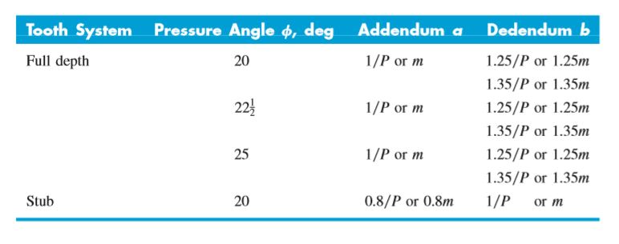
$$Number of teeth on driven gear,N_{g}=$$
 |  |  |  |  | 40 | Teeth

 | FACE WIDTH, b

 | Correction factors;

 | 1. Dynamic factor KV
 |  |  |  |  |  |  | Standar equations
$$V,line velocity=\frac{2πn_{1}d_{1}}{60}$$
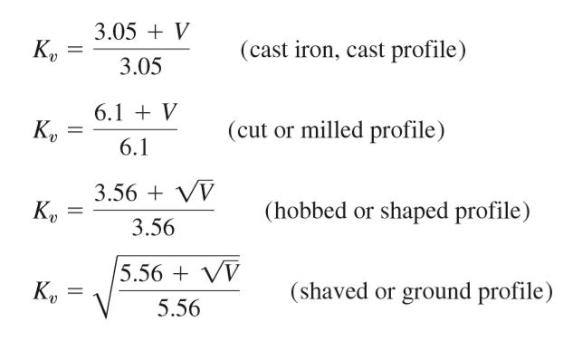

 |  | = | 0.4713 | m/s

 | Using a cut or milled profile,
 | KV= | 1.0772622951

 | 2. Bending geometry factor Yj / I

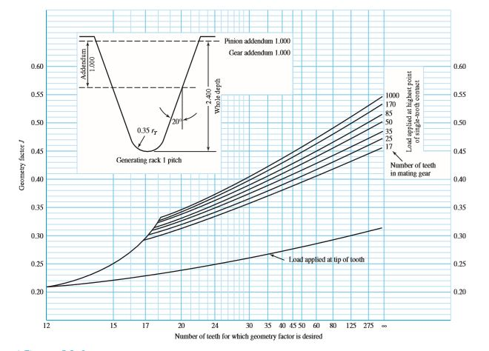
 | From the table, Yj / I for the gear is |  |  |  | 0.37 |  | Bending geometry factor table
 | and Yj / I for the pinion is |  |  |  | 0.2

 | 3. Elastic coefficient ZE

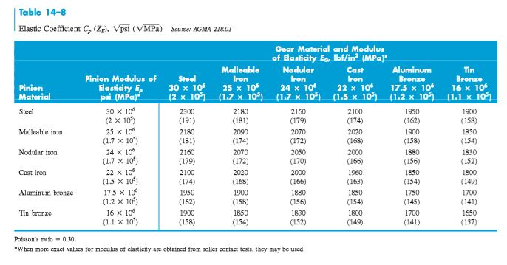
$$\sqrt{MPa}$$
 |  |  |  |  |  |  | Elastic coefficient table
 | For steel gears
 | Elastic coefficient is |  | 191

 | 4. Overload factor KO

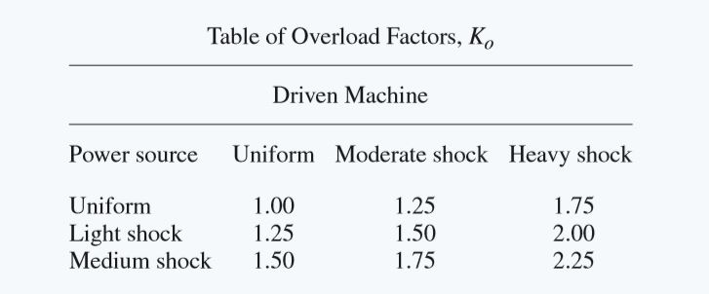
 |  |  |  |  |  |  | Overload factor table
 | Chosen overload factor is |  |  | 2.25

 | 5. Surface condition factor ZR

 | Chosen value of ZR is to |  |  | 1 |  |  |  | Surface Condition |  | Ground, fine finish, case-hardened | Precision hobbed or shaved | Commercial hobbed, no hardening | Rough finish, no surface treatment
 |  |  |  |  |  |  |  | Factor Value |  | 1 | 1.1–1.2 | 1.3–1.4 | 1.5–2.0

 | 6. Size factor Ks
$$K_{s}=\frac{1}{K_{b}}$$

 | = | 0.41666666667

 | 7. Load distribution factor KH

 | Chosen value for KH is |  |  | 1.05 |  |  |  |  |  | Face Width | ≤ 1 inch (narrow) | 1–6 inches | > 6 inches | Long shafts / poor support
 |  |  |  |  |  |  |  |  |  | Kh Range | 1.0 – 1.1 | 1.1 – 1.3 | 1.3 – 1.8 | 1.8 – 2.5

 | 8. Hardness ratio factor CH
$$m_{G}=\frac{{HB}_{p}}{{HG}_{G}}$$
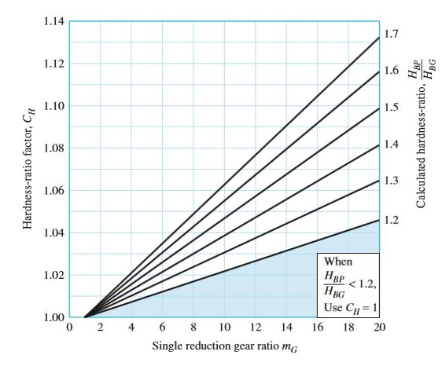
$$\text{C}\text{H}\text{=1+}\text{A}\text{’(}\text{mG}\text{−1) }$$

 |  | Chosen value for CH is |  |  | 1.05

 | 9. Stress cycle factor

 | For bending, YN |  |  |  |  |  |  |  |  |  |  |  | For Pitting, ZN
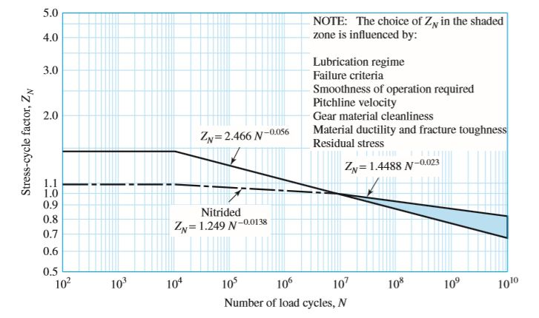
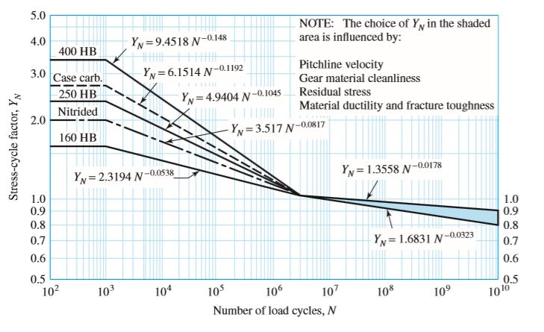

 |  | Chosen value for YN is |  |  | 1 |  |  |  |  |  |  |  |  | Chosen value for ZN is |  |  | 1

 | 10. YZ, Reliability factor

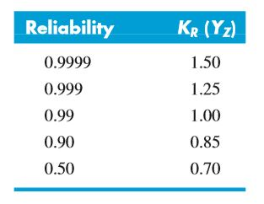
 |  |  |  |  |  |  |  | Chosen value for YZ is |  |  | 1
 |  |  |  |  |  |  | Designing for 0.99 reliability

 | 11. Temperature factor, Yθ

 | Note
For oil or gear-blank temperatures up to 250°F (120°C), use 1.0. For higher temperatures, the factor should be greater than unity. Heat exchangers may be used to ensure that operating temperatures are considerably below this value, as is desirable for the lubricant.

 |  | Chosen value for Yθ is |  |  | 1
 | Designing for maximum 50 degrees celcius

 | 12. Rim thickness factor, KB
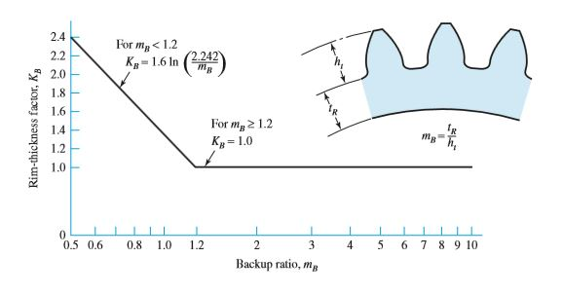

 |  |  |  |  |  |  |  |  |  |  |  | Chosen value for KB is |  |  | 2.4

 | 13. Safety factors

 | For bending |  |  |  |  |  |  | For pitting
 |  | Chosen value for SF is |  |  | 2.5 |  |  |  | Chosen value for SH is |  |  | 4

 | Design analysis
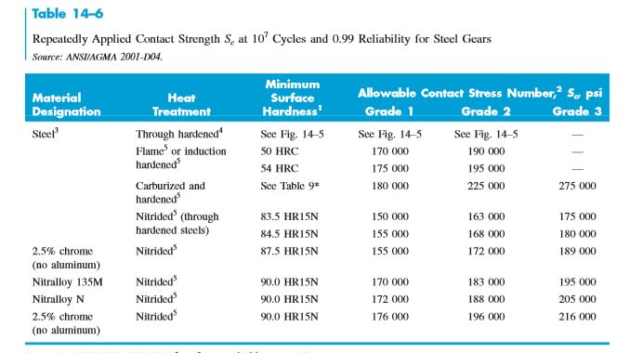

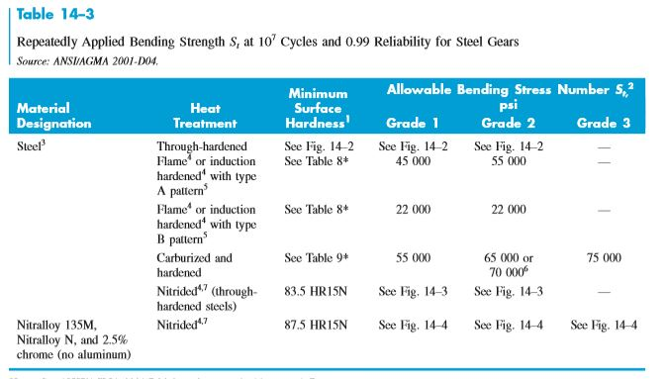
 |  |  |  |  |  |  |  |  |  |  | Chosen contact strength in psi is |  |  |  | 170000 | psi
 |  |  |  |  |  |  |  |  |  |  | Contact strength in MPa |  |  | 1172.1092

 |  |  |  |  |  |  |  |  |  |  | Chosen bending strength in psi is |  |  |  | 45000 | psi
 |  |  |  |  |  |  |  |  |  |  | Contact bending in MPa |  |  | 310.2642

 | 1. Bending in driver gear
$$Design Stress,σ=W^{t}∙K_{o}∙K_{V}∙K_{S}∙\frac{1}{b×m}∙\frac{K_{H}∙K_{B}}{Y_{J}}$$
$$σ_{all}, allowable bbending stress=\frac{S_{t}}{S_{F}}∙\frac{Y_{N}}{Y_{θ}∙Y_{z}}$$

 |  | = | 115.70455338 | MPa |  |  |  |  |  |  | = | 124.10568 | MPa
 |  |  | b

$$σ=σ_{all} ∴b=$$
 |  |  |  | 0.93230667106 | mm

 | 2. Bending in driven gear
$$Design Stress,σ=W^{t}∙K_{o}∙K_{V}∙K_{S}∙\frac{1}{b×m}∙\frac{K_{H}∙K_{B}}{Y_{J}}$$
$$σ_{all}, allowable bbending stress=\frac{S_{t}}{S_{F}}∙\frac{Y_{N}}{Y_{θ}∙Y_{z}}$$

 |  | = | 62.543001827 | MPa |  |  |  |  |  |  | = | 124.10568 | MPa
 |  |  | b

$$σ=σ_{all} ∴b=$$
 |  |  |  | 0.50394955192 | mm

$$Design Stress,σ_{c}=Z_{E}\sqrt{W^{t}∙K_{v}∙K_{o}∙K_{s}∙\frac{1}{b∙d_{1}}∙\frac{Z_{R}}{Z_{i}}}$$
 | 3. Pitting in driver gear
$$σ_{all}, allowable bbending stress=\frac{S_{c}}{S_{H}}∙\frac{Z_{N∙}Z_{W}}{Y_{θ}∙Y_{z}}$$

 |  | = | 409.26850211 | MPa |  |  |  |  |  |  | = | 293.0273 | MPa
$$\sqrt{b}$$

$$σ=σ_{all} ∴b=$$
 |  |  |  | 1.396690691 | mm

$$Design Stress,σ_{c}=Z_{E}\sqrt{W^{t}∙K_{v}∙K_{o}∙K_{s}∙\frac{1}{b∙d_{1}}∙\frac{Z_{R}}{Z_{i}}}$$
 | 4. Pitting in driven gear
$$σ_{all}, allowable bbending stress=\frac{S_{c}}{S_{H}}∙\frac{Z_{N∙}Z_{W}}{Y_{θ}∙Y_{z}}$$

 |  | = | 204.63425106 | MPa |  |  |  |  |  |  | = | 293.0273 | MPa
$$\sqrt{b}$$

$$σ=σ_{all} ∴b=$$
 |  |  |  | 0.69834534549 | mm

 |  | Chosen value for face wudth bis |  |  |  | 10 | mm

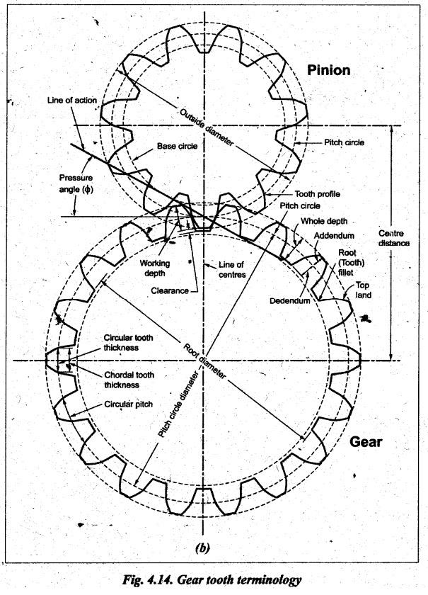
 | POST SPECIFICATIONS
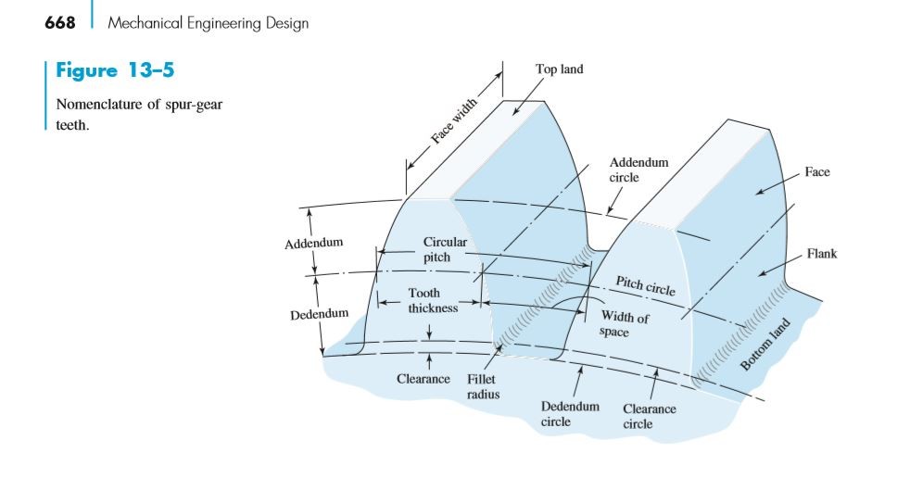

 | circular pitch, p = |  | 9.426 | mm
 | tooth thickness, t = |  | 4.713 | mm
 | addendum, a = |  | 3 | mm
 | deddendum, d = |  | 3.75 | mm
 | clearance, c = |  | 0.75 | mm

